Cover
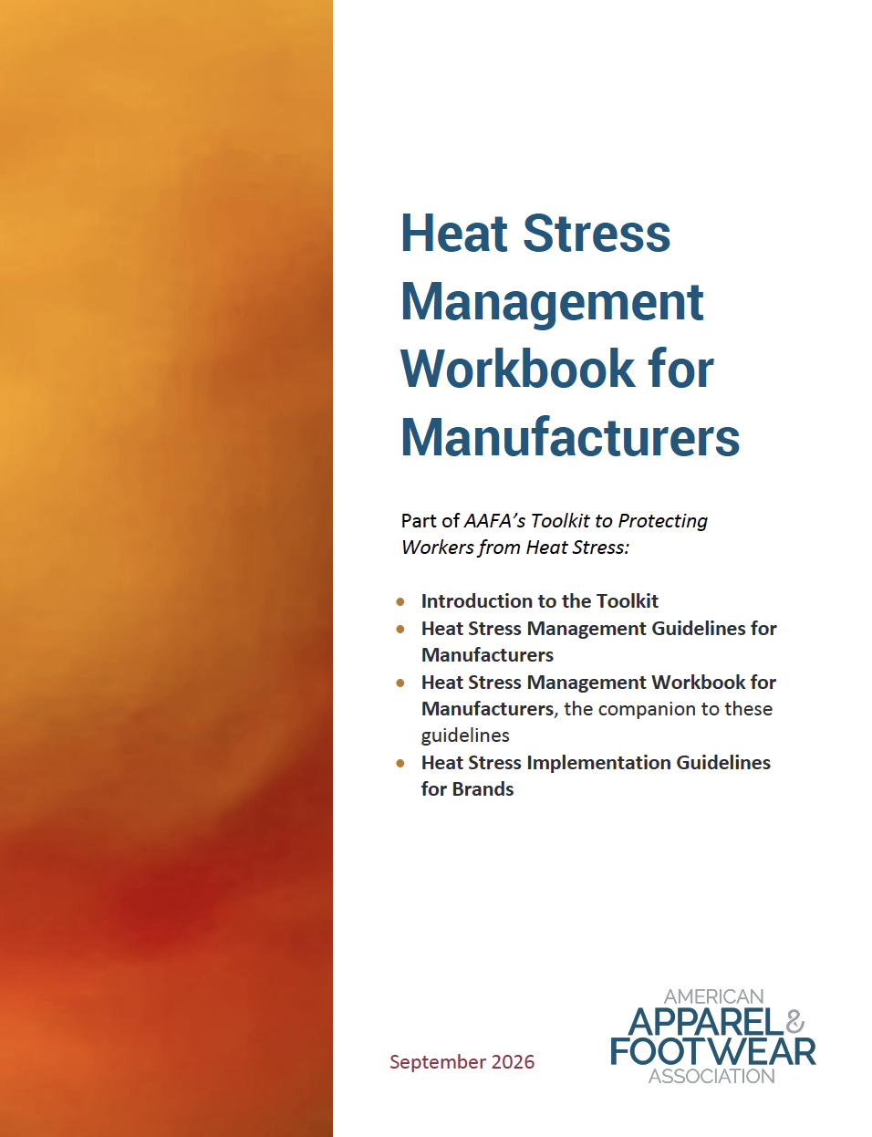
Credits: authors & reviewers
Commissioned by the American Apparel & Footwear Association (AAFA), this toolkit was designed through a collaborative process. The AAFA Heat Stress Working Group—consisting of brands, manufacturers, and worker-advocacy groups—developed the Brand Implementation Guidelines and Supplier Survey. Meanwhile, the Fashion Producer Collective (FPC) facilitated the manufacturer-specific guidelines and workbook. Key contributing authors included Elevate Textiles, Inc., Epic Group, Shahi Exports, and YKK Corporation, with additional review support from Crescent Bahuman Ltd, MAS Capital (Private) Limited, TAL Apparel, Yee Chain International, and the Vaada Hope Foundation.

